第二階段FlowChart
START

載入EP_TRA報表

L.V.欄位，選擇燈號
※紅=>優先,黃=>次優先,綠=>不重要,Finish

L.V=Finish

選完燈號，導向L.V.&DOE List
Web Page

生成Sateg中Pontential
L.V，提供User選擇L.V

DOE List Table
提供User Key 細項資訊。其中User 能動態生成項目，也能將生成項目刪除

DOE List Table
AVG,MAX,MIN.....判斷DOE是否完成實驗
Y
N

END

Doe_Create_Designer
Start

產生新的DOE實驗規格
TRA Lv 燈號辨別

條件by keyitem(Input Items),stage。
條件by keyitem(Input Items),stage。

查詢此項目是否有Lv.資料存在
查詢出來的項目，能在這些項目裡新增細項，key實驗規格。
填上Result有哪幾項。
Y
N

按下Save，把資料存到npi_eptra_doe table裡(key為filename),如果我前三項沒有填寫(DOE LEGS,Wafer Qn'ty)，就會被認定此資料無效，不儲存。
Lv.5 個數大於查詢資料的一半
直接新增每一筆的Lv. 預設值為Lv.3
N
Y

將燈號設為紅色 ※警戒狀態，為首要實驗項目
將燈號設為黃色

 | 將燈號設為黃色

將結果Save

依照前面的燈號計算結果，傳回EP_Create_Designer頁面，刷新Lv欄位。

END

END

Phase2 FlowChart
Start

※npieptraver_main table==>
seting status='N'
npi_eptra_lv==>
LV_Confirm_Status='NA'

EP_TRA Compare

TRA Lv. 設定
(初始燈號為白燈)

LV_Confirm_Status='Reject'
Reject

Lv .Query 的查詢條件為
LV_Confirm_Status(Na、Rec、Acc)
key為version，查詢完之後，跑出每個版本的資訊，View能觀看整個版本的Lv燈號，再把Keyitem,stage,input_item三個條件帶入到設定Lv.的網頁，做Lv.的設定，確定送出後，回到EP_TRA報表主頁，更改燈號。

LV_Confirm_Status='NA'

審核TRA Lv 是否被簽核(EPTRA_LV_Singoff)

Lv.Query

Accept

DOE_Confirm_Status='Reject'
查詢條件
LV_Confirm_Status=> Acc And DOE_Confirm_Status =""
送出，設定DOE實驗，將
DOE_Confirm_Status='NA'

DOE_設計

Reject

DOE_Confirm_Status='NA'

DOE簽核(EPTRA_DOE_Signoff)

DOE Query

Accept

DOE_實驗_Result_填寫
送出 實驗完成
將此項Lv.燈號改為
綠燈
END

LV Signoff
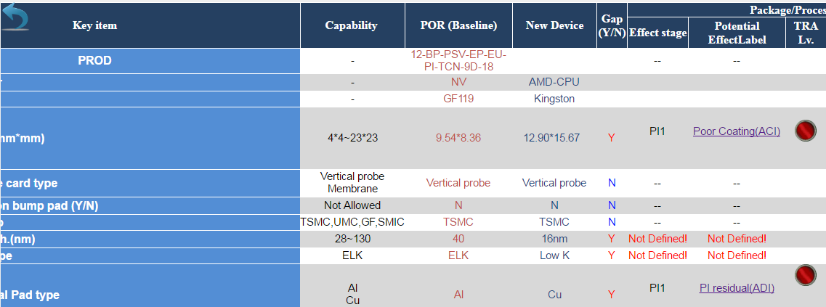
EPTRA_LV_Singoff.aspx
 | LV Table
 | LV_Confirm Status |  | NA/Rej/Acc

 | LV內容 | Status | EPTRAName | VER | 送審人員 | 審核 | 審核人意見
 |  | 待簽中 | XXXXX_Ver1 | 1 | XXX 2016/6/15 14:00 | JJJ

LV Seting
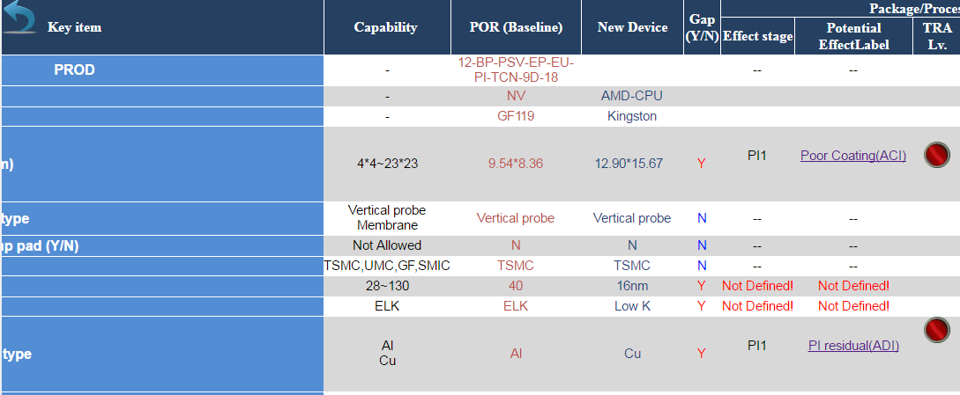
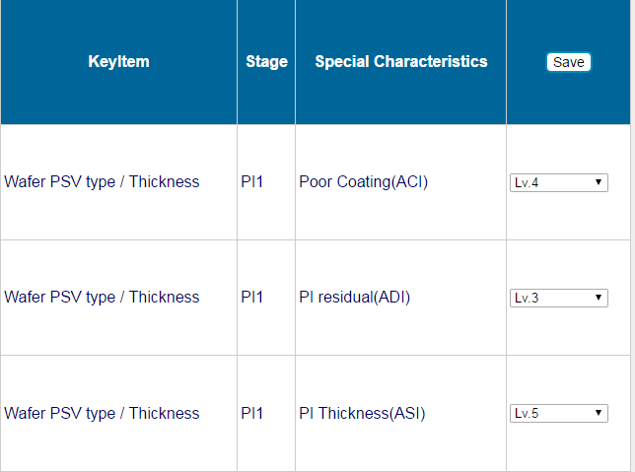
EPTRA_LV_Setting.aspx
EPTRA |  | 燈號說明: W-尚未設定/G/R/Y
LV_Setting_Status | N/Y | 當設定完畢送出後->修改LV_Setting_Status=>Y,LV_Confirm_Status=>NA

LV_SigoffList
EPTRA_LV_Query.aspx |  |  |  |  | by 時間

 | 查詢條件是: LV_Confirm_Status=> NA/Rej/Acc(只有Rej可以被修改)

EPTRA_LV_Signoff List
 |  |  |  |  |  |  | LV內容 | Status | EPTRAName | VER | 送審人員 | 審核 | 審核人意見
 |  |  |  |  |  |  |  | Rej | RXXXX_Ver1 | 1 | XXX 2016/6/15 14:00 | JJJ 2016/6/16 14:00 | 重新設定
 |  |  |  |  |  |  |  | ACC | AXXXX_Ver2 | 1 | KKK 2016/6/13 14:00 | PPP 2016/6/15 14:00 | NA
 |  |  |  |  |  |  |  | 待簽中 | PXXXX_Ver3 | 1 | ZZZ 2016/6/15 14:00

 | Status | Verison | User Name | SignoffName |  | 查出來是否為細項
 | Rej | AAA |  | CDS
 | Acc | BB |  | ABC
 | 待簽核 | CCC

修改送出後,修改LV_Confirm_Status=>NA

Sheet5
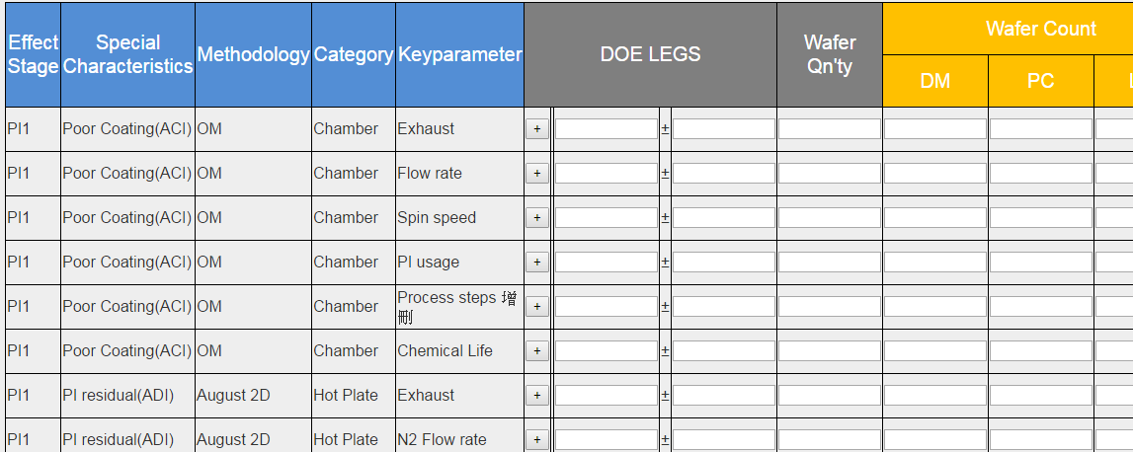
EPTRA_DOE_Setting.aspx

 | 查詢條件是:LV_Confirm_Status=> Acc , DOE_Confirm_Status =""
 | 完成設定送出後
 | DOE_Confirm_Status=>NA/Rej/Acc

EPTRA_LV Table
npiEPTRA_LV_Main |  |  |  |  |  | npiEPTRA_LV_Main_Status |  |  |  |  |  | npiTRA_Signoff_Status |  |  |  |  |  | npiTRA_His_Signoff_Status
Name | PK | Null | Data Type | Length |  | Name | PK | Null | Data Type | Length |  | Name | PK | Null | Data Type | Length |  | Name | PK | Null | Data Type | Length |  | Ver_Name varchar
Ver_Name | V |  | varchar | 80 |  | Ver_Name | V |  | varchar | 80 |  | Ver_Name | V |  | varchar | 80 |  | Ver_Name | V |  | varchar | 80 |  | Ver_No varchar
EPTRA_KeyItem |  |  | varchar | 50 |  | Ver_No | V |  | varchar | 3 |  | Ver_No | V |  | varchar | 3 |  | Ver_No | V |  | varchar | 3 |  | TRA_Status varchar
EPTRA_LV_Stage |  |  | varchar | 50 |  | Ver_Status |  |  | varchar | 1 | Y/N | TRA_Status |  |  | varchar | 10 | Enable/disable | TRA_Status |  |  | varchar | 10 | Enable/disable | CreateName varchar
EPTRA_LV_SpecChar |  |  | varchar | 50 |  | CreateTime |  |  | Datatime |  | 新建時間 | CreateTime |  |  | Datatime |  | 新建時間 | CreateTime |  |  | Datatime |  | 新建時間(Work_No) | CreateTime datetime
EPTRA_LV |  |  | varchar | 20 | RC(Lv.3)=MC(Lv.4)>LC(Lv.5) | CreateName |  |  | varchar | 10 | 新建者 | CreateName |  |  | varchar | 10 | 新建者(Work_No) | CreateName |  |  | varchar | 10 | 新建者 | UpdateName varchar
 |  |  |  |  |  | UpdateTime |  |  | Datatime |  | 異動時間 | UpdateTime |  |  | Datatime |  | 異動時間 | UpdateTime |  |  | Datatime |  | 異動時間 | UpdateTime datetime
 |  |  |  |  |  | UpdateName |  |  | varchar | 10 | 異動者 | UpdateName |  |  | varchar | 10 | 異動者 | UpdateName |  |  | varchar | 10 | 異動者 | Signoff_SendName varchar
 |  |  |  |  |  | LV_Signoff_Status |  |  | varchar | 3 | NA/REJ/ACC | Signoff_Status |  |  | varchar | 3 | NA/REJ/ACC | Signoff_Status |  |  | varchar | 3 | NA/REJ/ACC | Signoff_SendTime datetime
 |  |  |  |  |  | LV_Signoff_SendName |  |  | varchar | 10 | 送審人 | Signoff_SendName |  |  | varchar | 10 | 送審人 | Signoff_SendName |  |  | varchar | 10 | 送審人(Work_No) | Signoff_Step1_Status varchar
 |  |  |  |  |  | LV_Signoff_SendTime |  |  | Datatime |  | 送審時間 | Signoff_SendTime |  |  | Datatime |  | 送審時間 | Signoff_SendTime |  |  | Datatime |  | 送審時間 | Signoff_Step1_Name varchar
 |  |  |  |  |  | LV_Signoff_Name |  |  | varchar | 10 | 簽核名字 | Signoff_Name |  |  | varchar | 10 | 簽核名字Work_No | Signoff_Name |  |  | varchar | 10 | 簽核名字 | Signoff_Step1_Time datetime
 |  |  |  |  |  | LV_Signoff_Time |  |  | Datatime |  | 簽核時間 | Signoff_Time |  |  | Datatime |  | 簽核時間 | Signoff_Time |  |  | Datatime |  | 簽核時間 | Signoff_Step1_Command varchar
 |  |  |  |  |  | LV_Signoff_Command |  |  | varchar | 100 |  | Signoff_Status_Change_Command |  |  | varchar | 100 |  | Signoff_Status_Change_Command |  |  | varchar | 100 |  | Signoff_Step2_Status varchar
 |  |  |  |  |  |  |  |  |  |  |  | Signoff_Command |  |  | varchar | 100 |  | Signoff_Command |  |  | varchar | 100 |  | Signoff_Step2_Name varchar
 |  |  |  |  |  |  |  |  |  |  |  | Signoff_Case |  |  | varchar | 10 | EPTRA | case |  |  | varchar | 10 | EPTRA | Signoff_Step2_Time datetime
 |  |  |  |  |  |  |  |  |  |  |  | process |  |  | varchar | 10 | Compare/LV/DOE | process |  |  | varchar | 10 | Compare/LV/DOE | Signoff_Step2_Command varchar
 |  |  |  |  |  |  |  |  |  |  |  |  |  |  |  |  |  |  |  |  |  |  |  | Signoff_Status_Change_Command varchar
 |  |  |  |  |  |  |  |  |  |  |  |  |  |  |  |  |  |  |  |  |  |  |  | Signoff_Case varchar
 |  |  |  |  |  |  |  |  |  |  |  |  |  |  |  |  |  |  |  |  |  |  |  | Signoff_process varchar

第一步:EP_TRA compare完後,進入Lv_Setting的頁面,設定EPTRA_Lv
第二步: 進入EPTRA_Lv頁面,會已New_Device、Customer為Lv_Setting條件(要先撈LV_Main_Status裡的資料來判斷之前是否有被送審過，若沒有送審，必須將此版本(Ver_Name)的所有Lv資料刪除)。
第三步:必須把所有燈號設定完(必須變為紅、綠、藍其中一種)，SingOFF的按鈕才能作動。
第四步:若按回上一頁，或是中途關閉頁面，必須將設定過的Lv，通通刪除。
第五步:SingOFF送出後，必須將LV_Signoff_Status='NA'
面
EPTRA_LV_Setting
第一步:已New_Device、Customer為SingOFF的查詢條件 (LV_Signoff_Status='NA')
第二步:
查詢為後,顯示Status,Vername,Ver,送審人,內容,審核人,審核內容
第三步:
如果審核欄位,為ACC,進行DOE設計。若為REJ,則會重新設計LV.(進到Lv_Query頁面,重新設定)
第四步:若按REJ,會跳出視窗填寫,拒絕原因。
面
EPTRA_LV_Singoff

第一步:已New_Device、Customer、Ver_Status='Enable'為SingOFF的查詢條件 (LV_Signoff_Status='REJ')
第二步:
查詢為後,顯示Status,Vername,Ver,送審人,內容,審核人,審核,審核人意見
第三步:從內容修改Lv值
面
LV_Query

Project Status
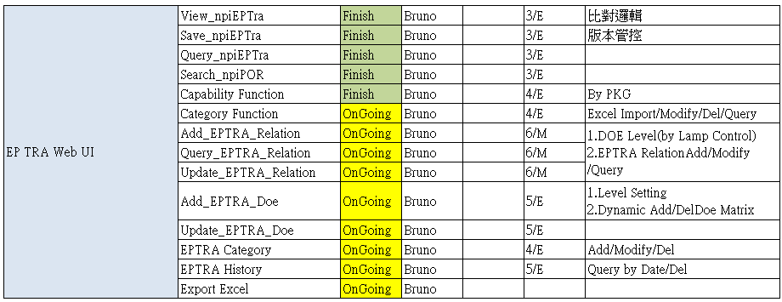

Project Status | TRA比對 | TRA_Compare | Finssh

 |  | TRA_Query | Finssh

 | Level | Setting | Finssh

 |  | SignOff | Finssh

 |  | SignOffList | Finssh

 |  | TRA_Status_Chang | Finssh

 | DOE | Design | OnGoing

 |  | SignOff | OnGoing

 |  | SignOffList | OnGoing

 |  | Result | OnGoing

